Returns
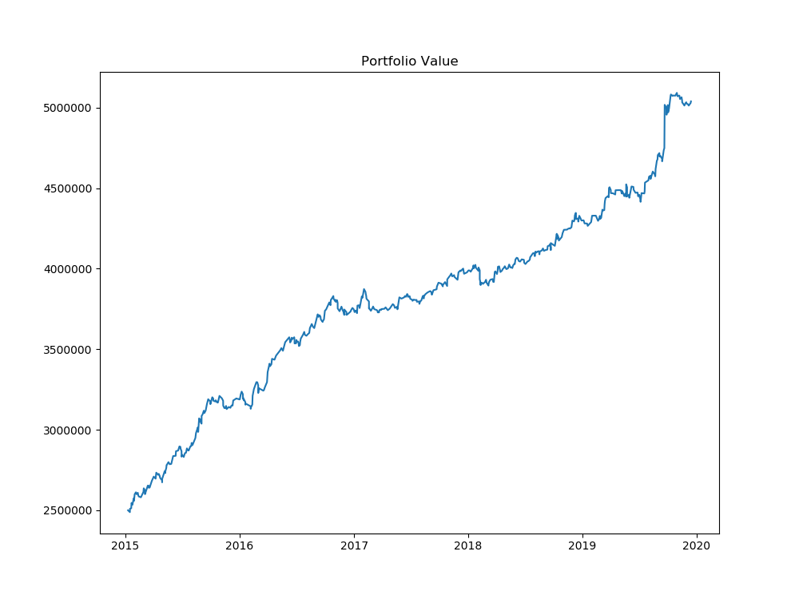
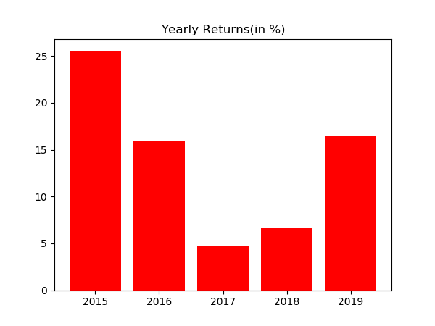
Year | % Returns | Average | StDev
2015-12-31 | 25.520942214 | 13.857946912 | 8.3993232803
2016-12-31 | 15.96562537
2017-12-31 | 4.7649578295
2018-12-31 | 6.6148237411
2019-12-31 | 16.423385403

Month | % Returns | Average | StDev
Jan-15 | 3.8556898371 | 1.0848108844 | 1.7983463611
Feb-15 | 1.2955783876
Mar-15 | 1.6483736295
Apr-15 | 0.29719153187
May-15 | 3.3068438447
Jun-15 | 1.4580505531
Jul-15 | 2.8719773809
Aug-15 | 4.4442239826
Sep-15 | 3.3967679475
Oct-15 | 1.523176009
Nov-15 | -2.3167338696
Dec-15 | 1.3483650775
Jan-16 | -1.0877586884
Feb-16 | 2.0072189318
Mar-16 | 3.9941520159
Apr-16 | 3.0217645078
May-16 | 2.3840365111
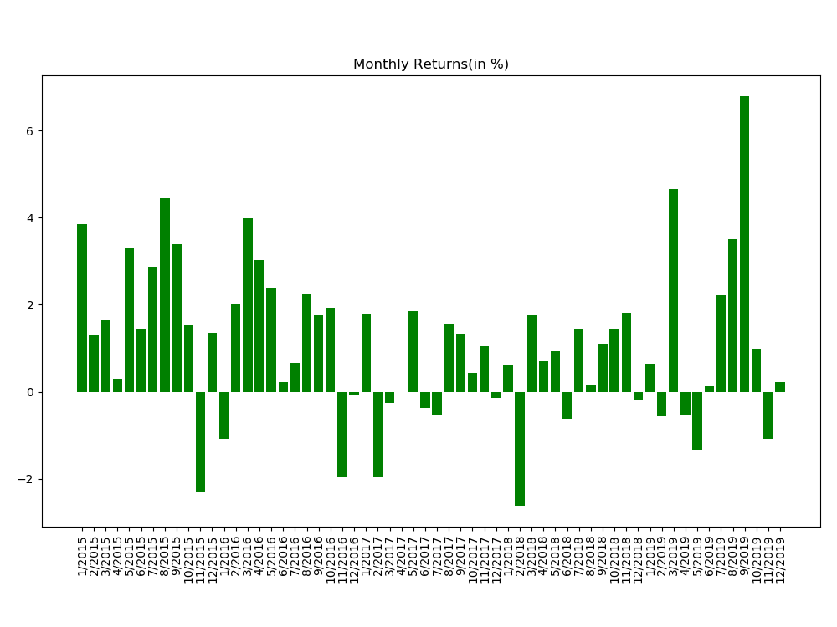
Jun-16 | 0.2163806169
Jul-16 | 0.66572636975
Aug-16 | 2.2410603402
Sep-16 | 1.7683900038
Oct-16 | 1.9237200109
Nov-16 | -1.9732511693
Dec-16 | -0.092126572455
Jan-17 | 1.7990992365
Feb-17 | -1.9675392681
Mar-17 | -0.25893198906
Apr-17 | -0.00079691496107
May-17 | 1.850716283
Jun-17 | -0.37667702572
Jul-17 | -0.52240682759
Aug-17 | 1.5411747488
Sep-17 | 1.3214459735
Oct-17 | 0.43623319833
Nov-17 | 1.0575229912
Dec-17 | -0.14297078509
Jan-18 | 0.61079001445
Feb-18 | -2.6334897325
Mar-18 | 1.7661778966
Apr-18 | 0.69241933751
May-18 | 0.9380607953
Jun-18 | -0.62927750561
Jul-18 | 1.4295028631
Aug-18 | 0.15964299352
Sep-18 | 1.1023282169
Oct-18 | 1.4601310859
Nov-18 | 1.815141741
Dec-18 | -0.20155492074
Jan-19 | 0.6314889192
Feb-19 | -0.57312692363
Mar-19 | 4.6660630857
Apr-19 | -0.52642925633
May-19 | -1.3414427412
Jun-19 | 0.12823958196
Jul-19 | 2.2265741565
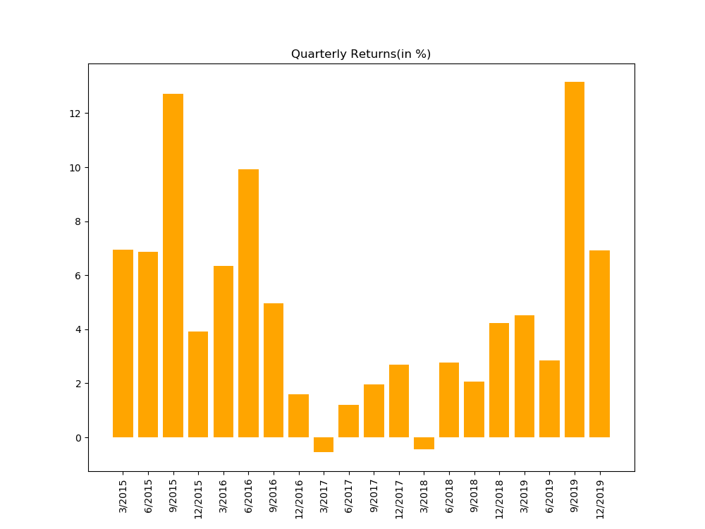
Aug-19 | 3.5016101725
Sep-19 | 6.8062356749
Oct-19 | 0.9866357828
Nov-19 | -1.0867838342
Dec-19 | 0.22402885186

Distribution
